India Calcs
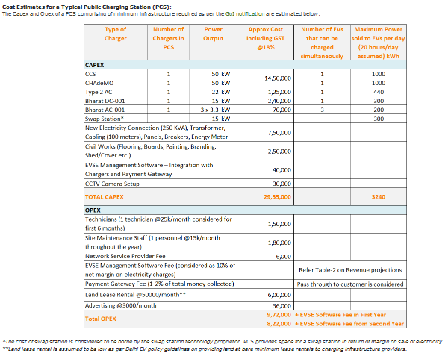
Cost Estimates for a Typical Public Charging Station (PCS):
Capex and Opex of a PCS comprising of min. infrastructure reqd. as per GoI notification estimated below:
OPEX |  | Cost (INR)
Technicians (1 technician @25k/month considered for 1st six months) |  | 150000
Site Maintenance Staff (1 personnel @15k/month through the year) |  | 180000
 | Total | 330000 | 2019 INR
 |  | 4384 | 2012 USD
Source: Plugin India
*since this article was published in Jan 2019, we assume the costs to be of 2018

